pre_Uniaxial_ MR
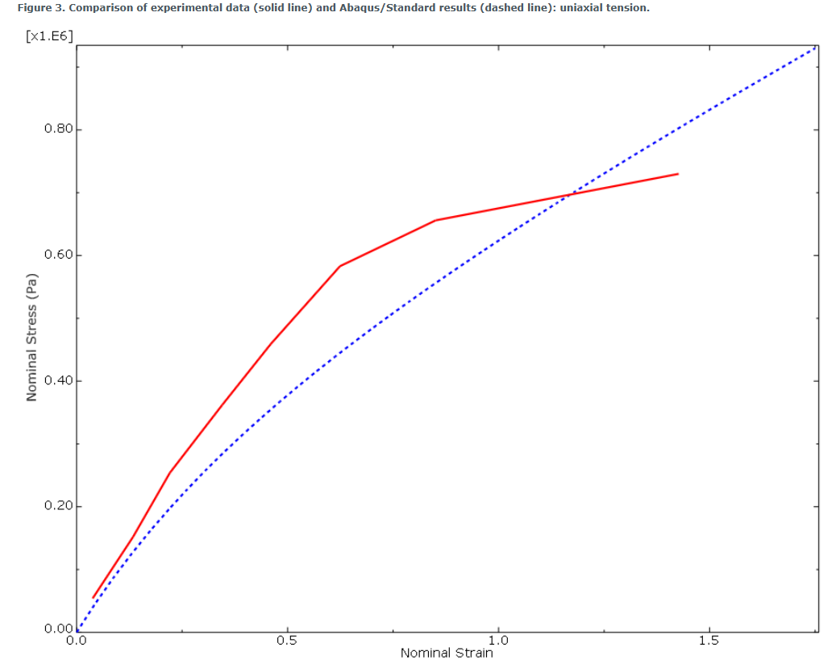
Stress-Strain
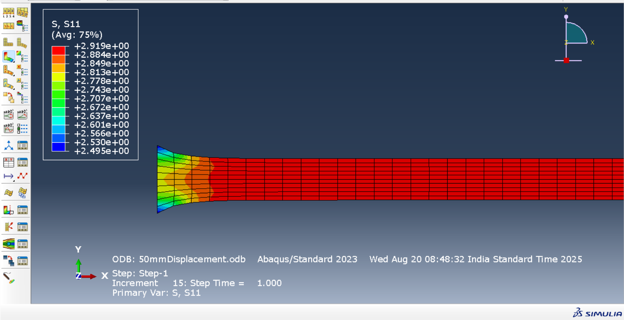
Plane Strain |  |  | Displacement = 50mm
Strain | Stress
0 | 0
0.0172549 | 0.0254401
0.0342453 | 0.050519
0.0592445 | 0.0875331
0.0956848 | 0.141901
0.148084 | 0.221481
0.221989 | 0.338052
0.323512 | 0.510764
0.442853 | 0.741401
0.548991 | 0.98203
0.6445 | 1.23598
0.731316 | 1.5051
0.810917 | 1.79214
0.884481 | 2.09925
0.952957 | 2.4269
1.00595 | 2.70986

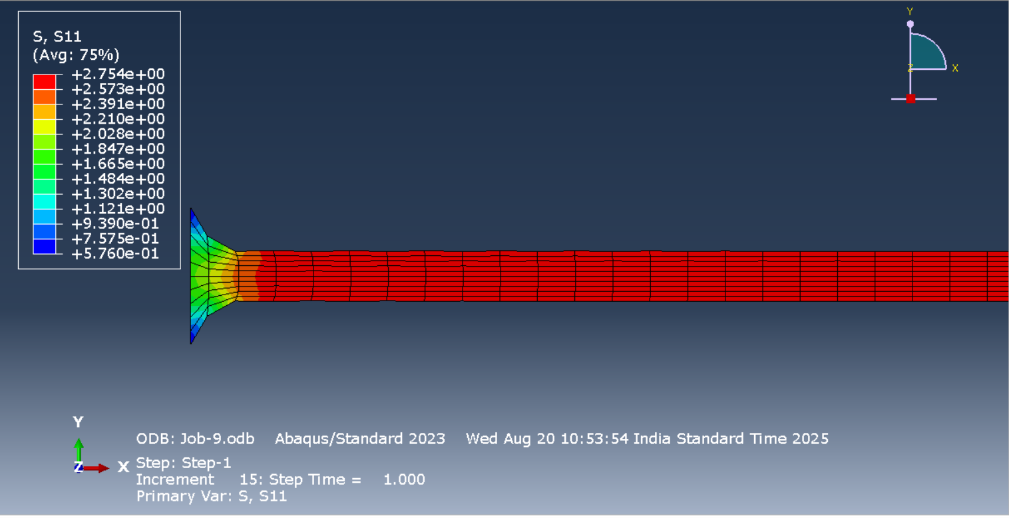
Stress Strain Curve
Plane Stress |  |  | Displacement 50 mm
Strain | Stress
0 | 0
0.0167633 | 0.0237695
0.0332511 | 0.0474497
0.0574844 | 0.0828372
0.0927669 | 0.135717
0.143454 | 0.21487
0.21494 | 0.334021
0.313319 | 0.515738
0.429468 | 0.764362
0.533322 | 1.02674
0.627224 | 1.30548
0.712929 | 1.60205
0.791767 | 1.91751
0.864769 | 2.25263
0.932748 | 2.60795
0.985326 | 2.91544

Material Properties |  | https://abaqus.uclouvain.be/English/SIMACAEGSARefMap/simagsa-t-materialpropertieshyperelasticmodelfortherubber.htm

Less_Displacement
Plane strain
Displacement = 20mm |  | Block Size: | 30x10mm |  |  | Plane Stress
Strain | Stress |  |  |  |  | 0 | 0
0 | 0 |  |  |  |  | 0.010359 | 0.0194934
0.00693692 | 0.0102012 |  |  |  |  | 0.0206223 | 0.038815
0.0138293 | 0.0203412 |  |  |  |  | 0.0358404 | 0.0674967
0.0240852 | 0.0354415 |  |  |  |  | 0.0582768 | 0.109904
0.0392865 | 0.0578599 |  |  |  |  | 0.0910774 | 0.172324
0.0616871 | 0.0910137 |  |  |  |  | 0.138443 | 0.263841
0.0944176 | 0.139828 |  |  |  |  | 0.205648 | 0.397956
0.141657 | 0.211428 |  |  |  |  | 0.287806 | 0.571949
0.200713 | 0.303702 |  |  |  |  | 0.36362 | 0.746123
0.256493 | 0.394744 |  |  |  |  | 0.433909 | 0.922866
0.309295 | 0.48544 |  |  |  |  | 0.499373 | 1.10383
0.359387 | 0.576472 |  |  |  |  | 0.560606 | 1.29018
0.407008 | 0.668367 |  |  |  |  | 0.618111 | 1.48277
0.452374 | 0.761536 |  |  |  |  | 0.672315 | 1.68224
0.495677 | 0.856289 |  |  |  |  | 0.71465 | 1.85166
0.529843 | 0.935569

Size of rectangle: (10x30mm)
Displacement = 30mm
Plane strain |  |  |  | Plane Stress
Stress-Strain
 |  |  |  | Strain | Stress
0 | 0 |  |  | 0 | 0
0.010431 | 0.0195355 |  |  | 0.0100599 | 0.0142465
0.0207573 | 0.0388953 |  |  | 0.0200216 | 0.0284591
0.0360545 | 0.0676281 |  |  | 0.0347834 | 0.0497221
0.0585808 | 0.1101 |  |  | 0.0565314 | 0.0815135
0.0914665 | 0.172594 |  |  | 0.088301 | 0.129039
0.138885 | 0.264185 |  |  | 0.134152 | 0.200173
0.206079 | 0.398359 |  |  | 0.199215 | 0.307123
0.288167 | 0.572375 |  |  | 0.278875 | 0.449637
0.363905 | 0.746543 |  |  | 0.352591 | 0.595344
0.434132 | 0.923267 |  |  | 0.421167 | 0.745249
0.499549 | 1.10421 |  |  | 0.485266 | 0.900095
0.560747 | 1.29054 |  |  | 0.545435 | 1.06045
0.618226 | 1.48311 |  |  | 0.60213 | 1.22677
0.672411 | 1.68256 |  |  | 0.655735 | 1.39938
0.714734 | 1.85197 |  |  | 0.697706 | 1.54616

pre_Biaxial_sq_element
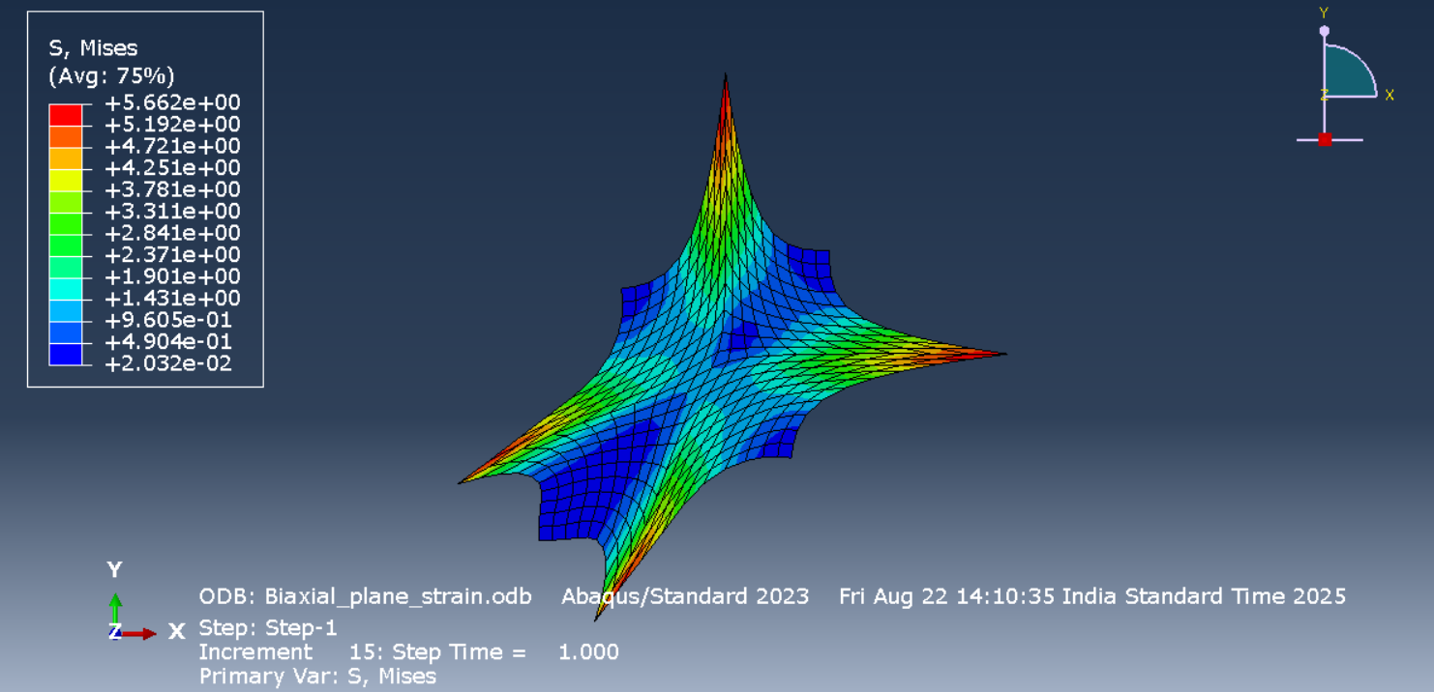
Biaxial load on midpoints of 20 mm and opposite face midpoints are fixed
Strain | Stress
0 | 0
-2.08E-09 | 0.00157921
-8.28E-09 | 0.0033863
-1.28E-13 | 0.00646475
1.52E-13 | 0.0118154
-6.83E-12 | 0.0211516
-8.42E-10 | 0.0370142
-9.23E-13 | 0.0619088
5.33E-13 | 0.0984487
-4.66E-12 | 0.147539
-1.09E-11 | 0.203342
-1.04E-12 | 0.26054
-2.82E-12 | 0.324908
-3.20E-12 | 0.392129
-1.64E-12 | 0.455601
-1.65E-08 | 0.507524

S11 vs LE11
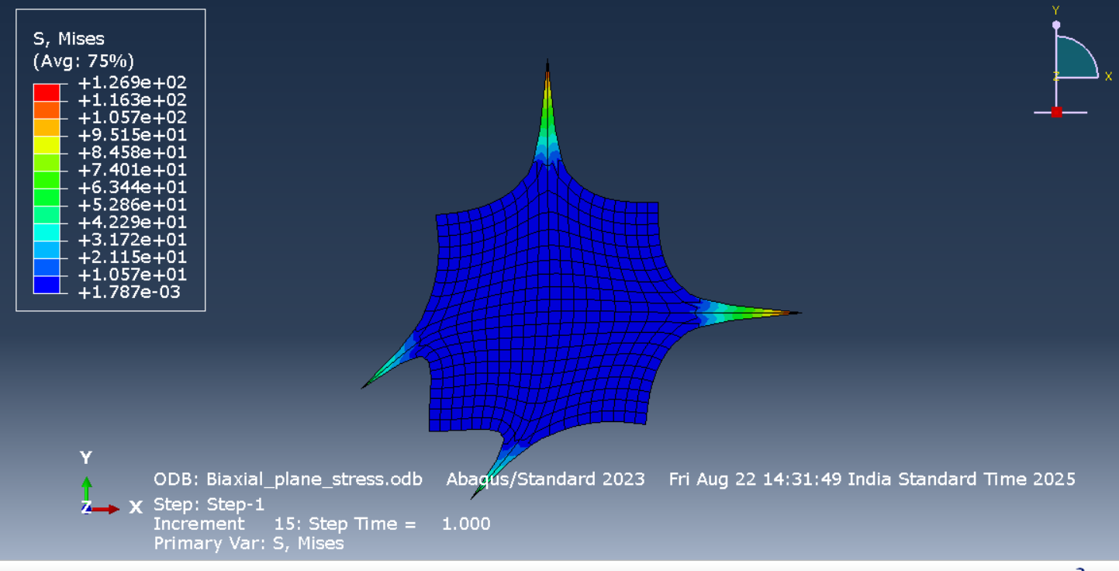
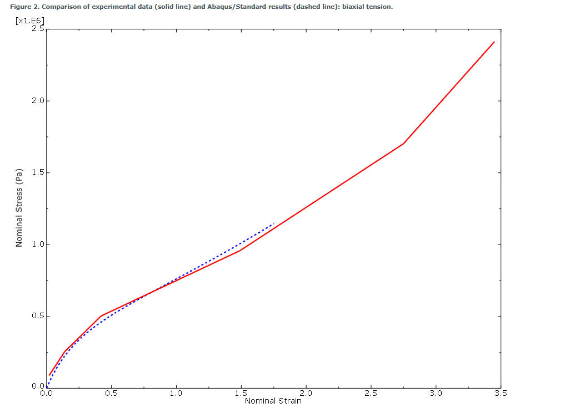
Biaxail_planar stress
Strain | Stress
0 | 0
0.000999162 | 0.00268034
0.00195246 | 0.00528756
0.00330598 | 0.00907357
0.00519536 | 0.0145219
0.00779109 | 0.0223049
0.0113071 | 0.0333679
0.016035 | 0.0491912
0.0216558 | 0.0694783
0.0268529 | 0.0896333
0.031783 | 0.10985
0.0365459 | 0.130211
0.0412164 | 0.15077
0.0458548 | 0.171555
0.0505109 | 0.192577
0.0543806 | 0.210031

Sheet3
0.02 | 0.089 | 0.038 | 0.054 | 0 | 0
0.14 | 0.255 | 0.1338 | 0.152 | 0.00995033 | 0.0151104
0.42 | 0.503 | 0.221 | 0.254 | 0.0198026 | 0.0300798
1.49 | 0.958 | 0.345 | 0.362 | 0.0344014 | 0.0522845
2.75 | 1.703 | 0.46 | 0.459 | 0.0559076 | 0.0850738
 |  | 0.6242 | 0.583 | 0.0873238 | 0.133226
 |  | 0.851 | 0.656 | 0.132672 | 0.203525
 |  | 1.4268 | 0.73 | 0.197056 | 0.305725
 |  |  |  | 0.275973 | 0.436539
 |  |  |  | 0.349115 | 0.56531
 |  |  |  | 0.41727 | 0.69374
 |  |  |  | 0.481075 | 0.823041
 |  |  |  | 0.541052 | 0.954112
 |  |  |  | 0.597634 | 1.08762
 |  |  |  | 0.651185 | 1.22408
 |  |  |  | 0.693147 | 1.33872

Quad-set1
Block size | 30mm x 10mm |  | Displacement = 30mm | Plane strain
Mesh | Quadrilateral
 | A. Linear

Stress-Time
Stress - Strain
Strain-Time
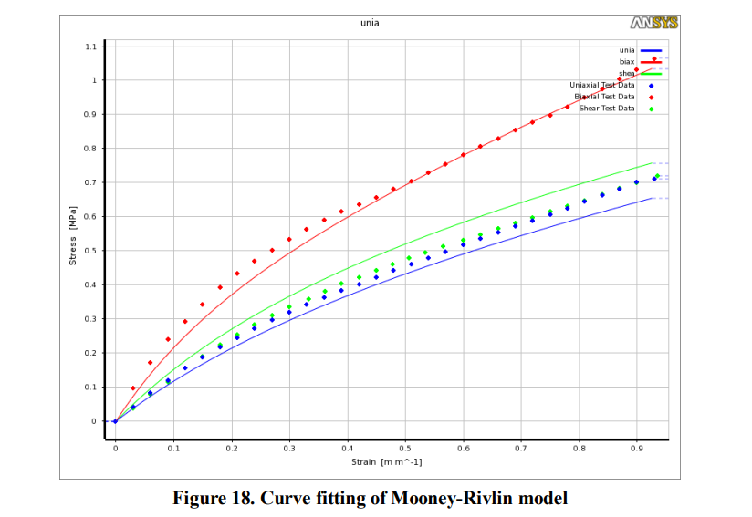
 | Time | Strain |  |  | Time | Stress(Mpa) | Strain | Stress(Mpa) |  |  |  | Uniaxial test data
 | 0 | 0 |  |  | 0 | 0 | 0 | 0 |  |  |  | Strain | Stress
 | 0.01 | 0.00995033 |  |  | 0.01 | 0.0201453 | 0.00995033 | 0.0201453 |  |  |  | 0.038 | 5.40E-02
 | 0.02 | 0.0198026 |  |  | 0.02 | 0.0400999 | 0.0198026 | 0.0400999 |  |  |  | 0.1338 | 1.52E-01
 | 0.035 | 0.0344014 |  |  | 0.035 | 0.0696988 | 0.0344014 | 0.0696988 |  |  |  | 0.221 | 2.54E-01
 | 0.0575 | 0.0559076 |  |  | 0.0575 | 0.113417 | 0.0559076 | 0.113417 |  |  |  | 0.345 | 3.62E-01
 | 0.09125 | 0.0873238 |  |  | 0.09125 | 0.177679 | 0.0873238 | 0.177679 |  |  |  | 0.46 | 4.59E-01
 | 0.141875 | 0.132672 |  |  | 0.141875 | 0.271732 | 0.132672 | 0.271732 |  |  |  | 0.6242 | 5.83E-01
 | 0.217812 | 0.197056 |  |  | 0.217812 | 0.409253 | 0.197056 | 0.409253 |  |  |  | 0.851 | 6.56E-01
 | 0.317813 | 0.275973 |  |  | 0.317813 | 0.587496 | 0.275973 | 0.587496 |  |  |  | 1.4268 | 7.30E-01
 | 0.417812 | 0.349115 |  |  | 0.417812 | 0.76561 | 0.349115 | 0.76561
 | 0.517812 | 0.41727 |  |  | 0.517812 | 0.946022 | 0.41727 | 0.946022
 | 0.617813 | 0.481075 |  |  | 0.617813 | 1.13108 | 0.481075 | 1.13108
 | 0.717812 | 0.54105 |  |  | 0.717812 | 1.32182 | 0.54105 | 1.32182
 | 0.817813 | 0.597634 |  |  | 0.817813 | 1.5191 | 0.597634 | 1.5191
 | 0.917813 | 0.651185 |  |  | 0.917813 | 1.72374 | 0.651185 | 1.72374 |  |  |  | https://abaqus.uclouvain.be/English/SIMACAEGSARefMap/simagsa-t-materialpropertieshyperelasticmodelfortherubber.htm
 | 1 | 0.693147 |  |  | 1 | 1.89786 | 0.693147 | 1.89786

Mesh | Quadrilateral
 | B. Quadratic
 | Time | Strain |  |  | Time | Stress(Mpa) | Strain | Stress(Mpa)
 | 0 | 0 |  |  | 0 | 0 | 0 | 0
 | 0.01 | 0.00995033 |  |  | 0.01 | 0.0201453 | 0.00995033 | 0.0201453
 | 0.02 | 0.0198026 |  |  | 0.02 | 0.0400999 | 0.0198026 | 0.0400999
 | 0.035 | 0.0344014 |  |  | 0.035 | 0.0696988 | 0.0344014 | 0.0696988
 | 0.0575 | 0.0559076 |  |  | 0.0575 | 0.113417 | 0.0559076 | 0.113417
 | 0.09125 | 0.0873238 |  |  | 0.09125 | 0.177679 | 0.0873238 | 0.177679
 | 0.141875 | 0.132672 |  |  | 0.141875 | 0.271732 | 0.132672 | 0.271732
 | 0.217812 | 0.197056 |  |  | 0.217812 | 0.409252 | 0.197056 | 0.409252
 | 0.317813 | 0.275973 |  |  | 0.317813 | 0.587496 | 0.275973 | 0.587496 |  | dotted lines: | Test data
 | 0.417812 | 0.349115 |  |  | 0.417812 | 0.76561 | 0.349115 | 0.76561 |  | solid lines: | Simulation data
 | 0.517812 | 0.41727 |  |  | 0.517812 | 0.946021 | 0.41727 | 0.946021
 | 0.617813 | 0.481075 |  |  | 0.617813 | 1.13108 | 0.481075 | 1.13108 | Sugihardjo, Hidajat & Tavio, Tavio & Lesmana, Yudha. (2018). FE Model of Low Grade Rubber for Modeling Housing’s Low-Cost Rubber Base Isolators. Civil Engineering Journal. 4. 24. 10.28991/cej-030966.
 | 0.717812 | 0.541052 |  |  | 0.717812 | 1.32179 | 0.541052 | 1.32179
 | 0.817813 | 0.597634 |  |  | 0.817813 | 1.5191 | 0.597634 | 1.5191
 | 0.917813 | 0.651185 |  |  | 0.917813 | 1.72374 | 0.651185 | 1.72374
 | 1 | 0.693147 |  |  | 1 | 1.89786 | 0.693147 | 1.89786

Tri-set2
Block size | 30mm x 10mm |  | Displacement = 30mm | Plane strain |  |  |  |  | Plane Stress |  | With coefficients
Mesh | Triangular |  |  |  |  |  |  |  |  |  | D1 | C10 | C01
 | A. Linear |  |  |  |  |  |  |  |  |  | 0 | 0.129435334 | 0.123620829
LE11 vs time
 | Time | Strain |  |  | Time | Stress(Mpa) | Strain | Stress(Mpa) | Time | Strain | Time | Strain
LE11 vs Time
 | 0 | 0 |  |  | 0 | 0 | 0 | 0 | 0 | 0 | 0 | 0
 | 0.01 | 0.00995033 |  |  | 0.01 | 0.0201453 | 0.00995033 | 0.0201453 | 0.01 | 0.00498754 | 0.01 | 0.00995033
 | 0.02 | 0.0198026 |  |  | 0.02 | 0.0400999 | 0.0198026 | 0.0400999 | 0.02 | 0.00995033 | 0.02 | 0.0198026
 | 0.035 | 0.0344014 |  |  | 0.035 | 0.0696988 | 0.0344014 | 0.0696988 | 0.035 | 0.0173486 | 0.035 | 0.0344014
 | 0.0575 | 0.0559076 |  |  | 0.0575 | 0.113417 | 0.0559076 | 0.113417 | 0.0575 | 0.0283445 | 0.0575 | 0.0559076
 | 0.09125 | 0.0873238 |  |  | 0.09125 | 0.177679 | 0.0873238 | 0.177679 | 0.09125 | 0.0446148 | 0.09125 | 0.0873238
 | 0.141875 | 0.132672 |  |  | 0.141875 | 0.271732 | 0.132672 | 0.271732 | 0.141875 | 0.0685344 | 0.141875 | 0.132672
 | 0.217812 | 0.197056 |  |  | 0.217812 | 0.409252 | 0.197056 | 0.409252 | 0.217812 | 0.103374 | 0.217812 | 0.197056
 | 0.317813 | 0.275973 |  |  | 0.317813 | 0.587496 | 0.275973 | 0.587496 | 0.331719 | 0.153458 | 0.317813 | 0.275973
 | 0.417812 | 0.349115 |  |  | 0.417812 | 0.76561 | 0.349115 | 0.76561 | 0.502578 | 0.224174 | 0.417812 | 0.349115
 | 0.517812 | 0.41727 |  |  | 0.517812 | 0.946021 | 0.41727 | 0.946021 | 0.758867 | 0.321673 | 0.517812 | 0.41727
 | 0.617813 | 0.481075 |  |  | 0.617813 | 1.13108 | 0.481075 | 1.13108 | 1.1433 | 0.452126 | 0.617813 | 0.481075
 | 0.717812 | 0.541052 |  |  | 0.717812 | 1.32179 | 0.541052 | 1.32179 | 1.71995 | 0.620563 | 0.717812 | 0.541052
 | 0.817813 | 0.597634 |  |  | 0.817813 | 1.5191 | 0.597634 | 1.5191 | 2 | 0.693147 | 0.817813 | 0.597634
 | 0.917813 | 0.651185 |  |  | 0.917813 | 1.72374 | 0.651185 | 1.72374 |  |  | 0.917813 | 0.651185
 | 1 | 0.693147 |  |  | 1 | 1.89786 | 0.693147 | 1.89786 |  |  | 1 | 0.693147
S11 vs time
 |  |  |  |  |  |  |  |  | Time | Stress | Time | Stress
Mesh | Triangular |  |  |  |  |  |  |  | 0 | 0 | 0 | 0
 | B. Quadratic |  |  |  |  |  |  |  | 0.01 | 0.0075733 | 0.01 | 0.0151104
 | Time | Strain |  |  | Time | Stress(Mpa) | Strain | Stress(Mpa) | 0.02 | 0.0151104 | 0.02 | 0.0300798
 | 0 | 0 |  |  | 0 | 0 | 0 | 0 | 0.035 | 0.0263503 | 0.035 | 0.0522845
 | 0.01 | 0.00995033 |  |  | 0.01 | 0.0201453 | 0.00995033 | 0.0201453 | 0.0575 | 0.0430678 | 0.0575 | 0.0850738
 | 0.02 | 0.0198026 |  |  | 0.02 | 0.0400999 | 0.0198026 | 0.0400999 | 0.09125 | 0.0678424 | 0.09125 | 0.133226
 | 0.035 | 0.0344015 |  |  | 0.035 | 0.0696988 | 0.0344015 | 0.0696988 | 0.141875 | 0.104385 | 0.141875 | 0.203525
 | 0.0575 | 0.0559076 |  |  | 0.0575 | 0.113417 | 0.0559076 | 0.113417 | 0.217812 | 0.157983 | 0.217812 | 0.305724
 | 0.09125 | 0.0873238 |  |  | 0.09125 | 0.177679 | 0.0873238 | 0.177679 | 0.331719 | 0.236168 | 0.317813 | 0.436539
 | 0.141875 | 0.132672 |  |  | 0.141875 | 0.271732 | 0.132672 | 0.271732 | 0.502578 | 0.349881 | 0.417812 | 0.56531
 | 0.217812 | 0.197056 |  |  | 0.217812 | 0.409252 | 0.197056 | 0.409252 | 0.758867 | 0.515972 | 0.517812 | 0.693739
 | 0.317813 | 0.275973 |  |  | 0.317813 | 0.587496 | 0.275973 | 0.587496 | 1.1433 | 0.763203 | 0.617813 | 0.823041
 | 0.417812 | 0.349115 |  |  | 0.417812 | 0.765313 | 0.349115 | 0.765313 | 1.71995 | 1.14478 | 0.717812 | 0.954111
 | 0.517812 | 0.417271 |  |  | 0.517812 | 0.946022 | 0.417271 | 0.946022 | 2 | 1.33862 | 0.817813 | 1.08762
 | 0.617813 | 0.481075 |  |  | 0.617813 | 1.13108 | 0.481075 | 1.13108 |  |  | 0.917813 | 1.22408
 | 0.717812 | 0.541052 |  |  | 0.717812 | 1.32179 | 0.541052 | 1.32179 |  |  | 1 | 1.33871
S11 vs LE11
 | 0.817813 | 0.597635 |  |  | 0.817813 | 1.5191 | 0.597635 | 1.5191 | Strain | Stress | Strain | Stress
 | 0.917813 | 0.651185 |  |  | 0.917813 | 1.72374 | 0.651185 | 1.72374 | 0 | 0
 | 1 | 0.693147 |  |  | 1 | 1.89786 | 0.693147 | 1.89786 | 0.00498754 | 0.0075733
 |  |  |  |  |  |  |  |  | 0.00995033 | 0.0151104
 |  |  |  |  |  |  |  |  | 0.0173486 | 0.0263503
 |  |  |  |  |  |  |  |  | 0.0283445 | 0.0430678
 |  |  |  |  |  |  |  |  | 0.0446148 | 0.0678424
 |  |  |  |  |  |  |  |  | 0.0685344 | 0.104385
 |  |  |  |  |  |  |  |  | 0.103374 | 0.157983
 |  |  |  |  |  |  |  |  | 0.153458 | 0.236168
 |  |  |  |  |  |  |  |  | 0.224174 | 0.349881
 |  |  |  |  |  |  |  |  | 0.321673 | 0.515972
 |  |  |  |  |  |  |  |  | 0.452126 | 0.763203
 |  |  |  |  |  |  |  |  | 0.620563 | 1.14478
 |  |  |  |  |  |  |  |  | 0.693147 | 1.33862

Test data
Uniaxial
strain | Stress
0.038 | 0.054
0.1338 | 0.152
0.221 | 0.254
0.345 | 0.362
0.46 | 0.459
0.6242 | 0.583
0.851 | 0.656
1.4268 | 0.73

